Cover Page
Dashboard Dataset


Get 10% OFF our course using coupon code EMAIL10

Get our Excel for Business and Finance course.

Made by Career Principles Ltd.

Note
All content is copyright material of Career Principles Ltd.
This Excel model may not be reproduced or distributed by any means, including printing, screencapturing, or any other method without the prior permission of the publisher.

Dashboard
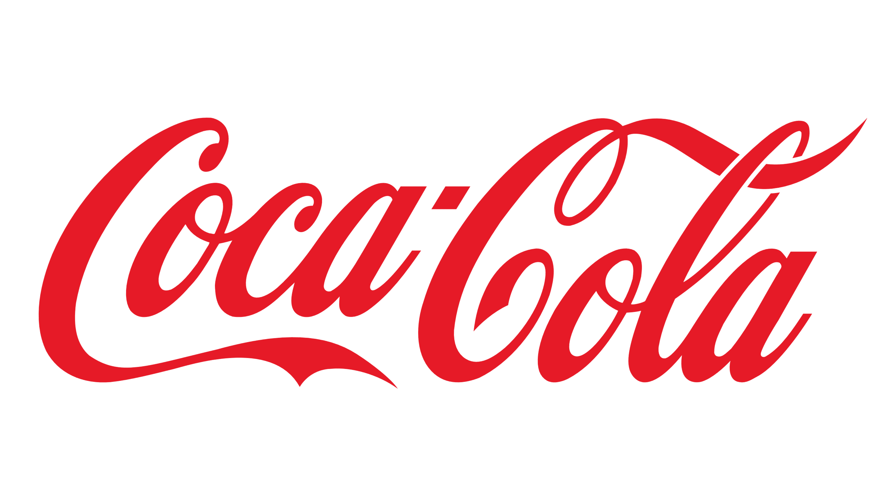
Coca-Cola USA Retailer Dashboard

Total Sales
Units Sold
Average Price
Total Operating Profit

$90,392
208,380
$0.41
$34,726

Sales by Beverage Brand
Sales by Retailer

Brand | Sales 2022 | Sales 2023 | Variance | Retailer | Sales 2022 | Sales 2023 | Variance
Coca-Cola | 30,455 | 440,281 | 409,827 | Amazon | 0 | 206,845 | 206,845
Dasani Water | 18,117 | 327,183 | 309,066 | BevCo | 81,141 | 507,735 | 426,594
Diet Coke | 14,351 | 247,578 | 233,227 | FizzyCo | 0 | 321,962 | 321,962
Fanta | 7,460 | 159,894 | 152,434 | Target | 9,250 | 263,886 | 254,636
Powerade | 9,123 | 213,256 | 204,133 | West Soda | 0 | 276,624 | 276,624
Sprite | 10,885 | 188,860 | 177,974 | Grand Total | 90,392 | 1,577,052 | 1,486,660
Total | 90,392 | 1,577,052 | 1,486,660 | Total | 0 | 0 | 0
Sales and Operating Profit Margin by Quater

 | Sales | Operating Profit Margin
Qtr4 | 90391.8 | 0.408125
Qtr1 | 383459.1 | 0.44318376068
Qtr2 | 355718.2 | 0.43741150442
Qtr3 | 483622 | 0.43716942149
Qtr4 | 354252.3 | 0.43009259259
0 | 0 | 0
0 | 0 | 0
0 | 0 | 0
Last Update Jan 2024

